Sheet2
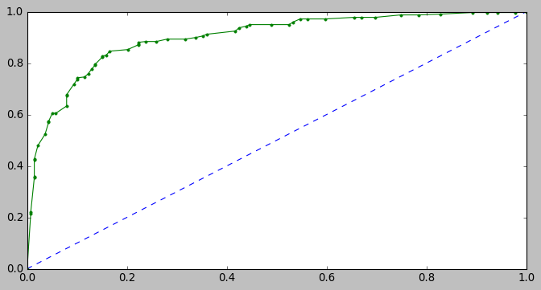
AUC | Without boosting |  | AUC | Boosting
Model | Training score | Test score | Model | Training score | Test score
Logistical regression | 0.781 | 0.801 | Logistical regression | 0.884 | 0.914
LDA | 0.877 | 0.916 | LDA | 0.884 | 0.914
Naïve Bayes | 0.875 | 0.91 | Naïve Bayes | 0.886 | 0.908
KNN | 1 | 0.917 | KNN | 0.965 | 0.863
Random Forest classifier | 1 | 0.899

Logistic (without boosting) |  |  |  |  | Logistic(with boosting)
Training |  |  |  |  | Training
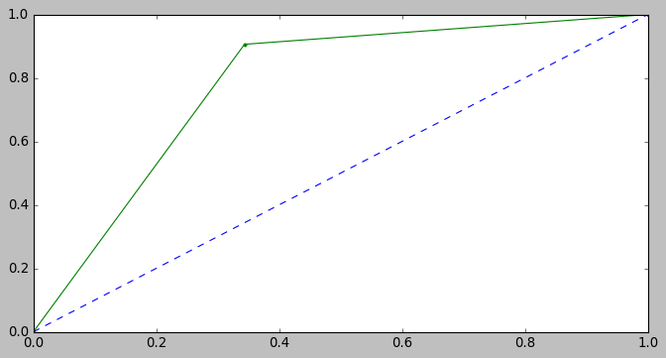
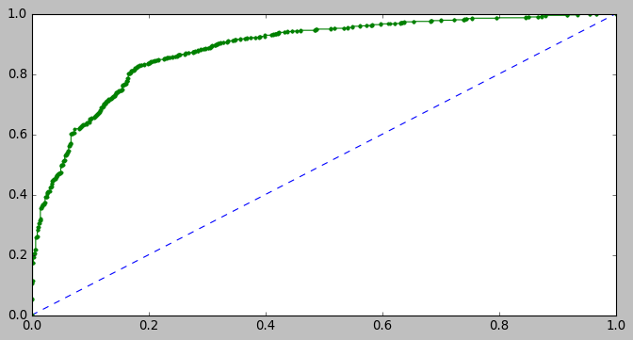

 |  |  |  |  | Testing
Testing-Logistic (without boosting) | ` |  |  |  | Testing-Logistic(with boosting)
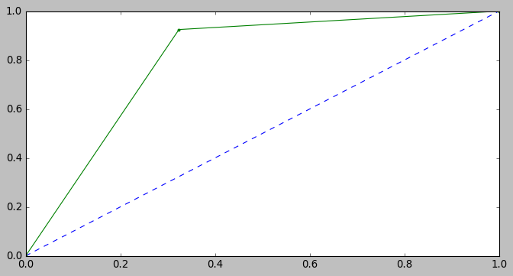
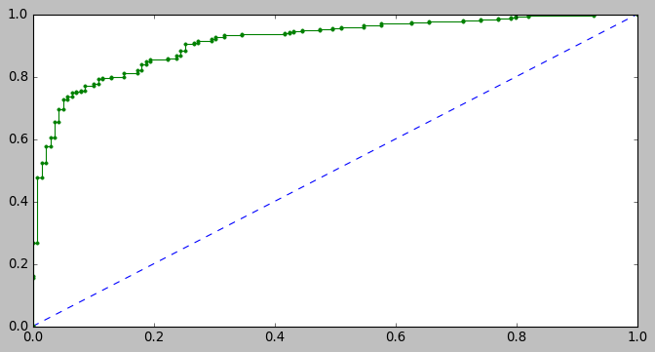

LDA(Without boosting) |  |  |  |  | LDA( boosting)
Training |  |  |  |  | Training
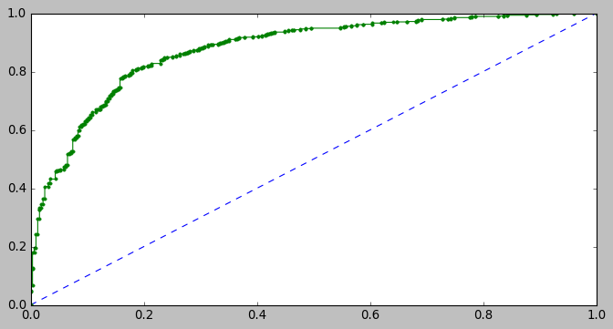

Testing-LDA(Without boosting) |  |  |  |  | Testing-LDA( boosting)
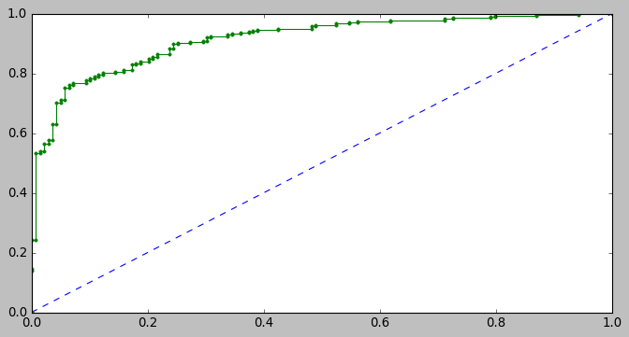

Naïve Bayes (Without boosting) |  |  |  |  | Naïve Bayes ( boosting)
Training |  |  |  |  | Training
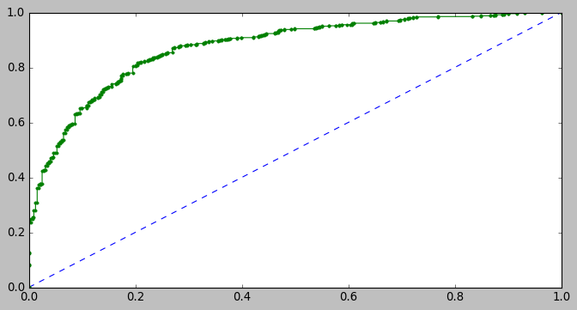


Testing-Naïve Bayes (Without boosting) |  |  |  |  | Testing-Naïve Bayes ( boosting)
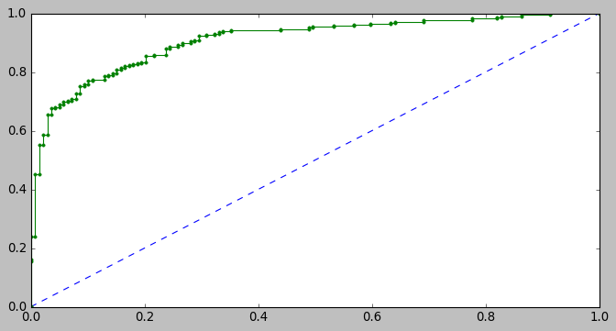


KNN (without boosting) |  |  |  |  | KNN ( boosting)
Training |  |  |  |  | Training
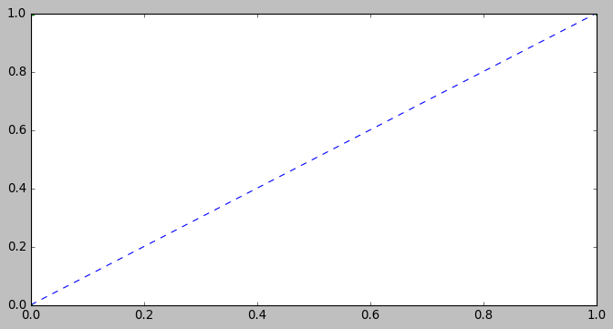
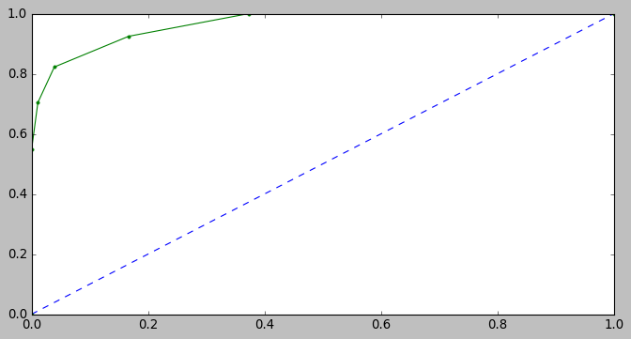

Testing(KNN without boosting) |  |  |  |  | Testing(KNN with boosting)
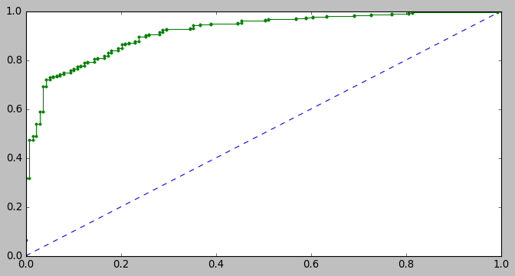
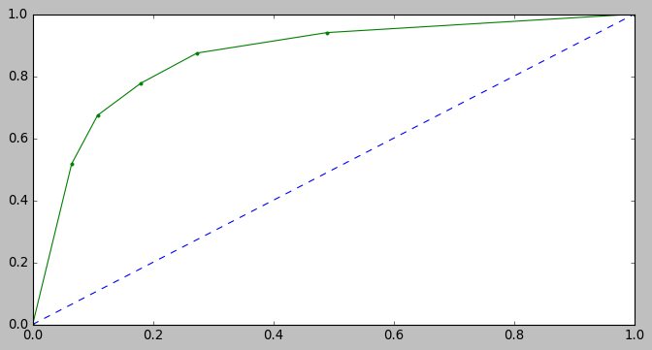

Random forest classifier
Training


Testing(Random forest)

classification matrix
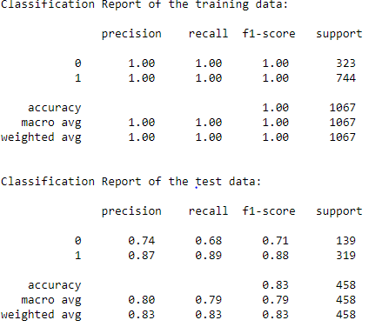
Logistic regression without boosting | Logistic regression with boosting
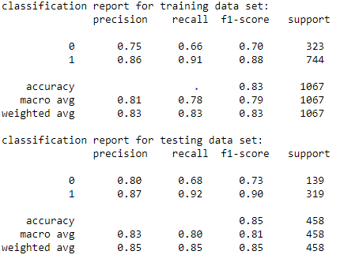
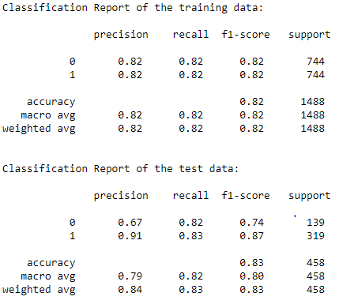

LDA without boosting | LDA with boosting
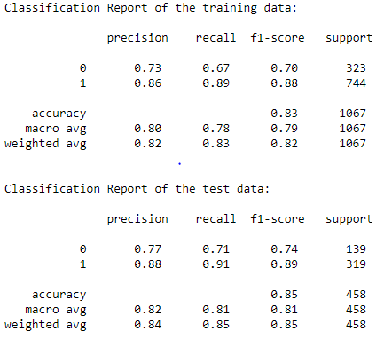
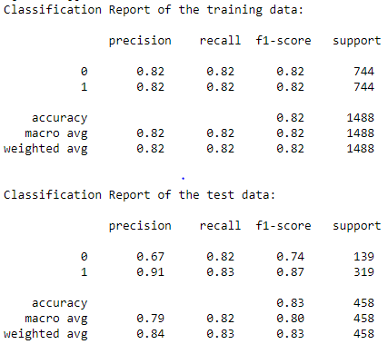

Naïve Bayes without boosting | Naïve Bayes with boosting
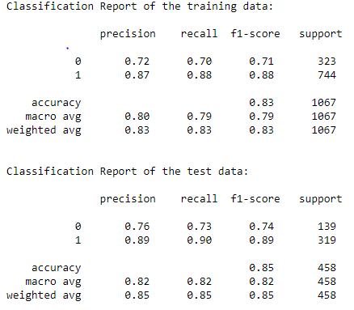
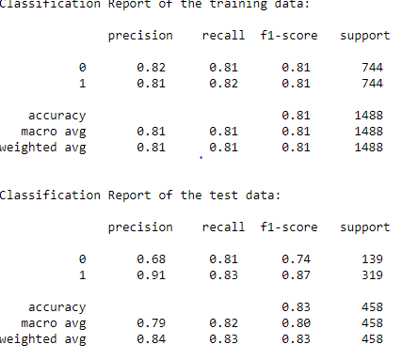

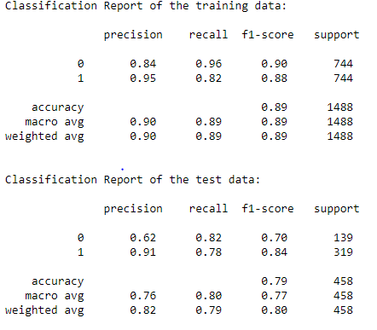
KNN without boosting | KNN with boosting
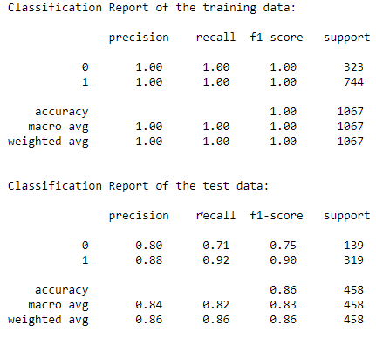

Random forest

